Wireframing
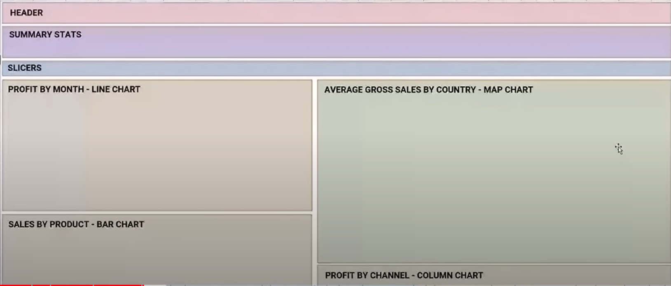

Dashboard
Row Labels | Sum of Total Revenue | Row Labels | Sum of Sum of Total Revenue |  | Row Labels | Sum of Total Revenue
Asia | $920,277,085.92 | (blank) |  |  | Offline | $3,378,779,184.68
Australia and Oceania | $587,364,088.53 | Baby Food | $580,741,832.88 |  | Online | $3,249,910,023.86
Central America and the Caribbean | $684,976,323.77 | Beverages | $104,777,619.05 |  | (blank)
Europe | $1,703,622,398.11 | Cereal | $401,032,925.70 |  | Grand Total | $6,628,689,208.54
Middle East and North Africa | $766,867,777.72 | Clothes | $216,750,869.60
North America | $151,014,252.09 | Cosmetics | $936,442,614.80
 | Total
Offline | $3,378,779,184.68
Online | $3,249,910,023.86
(blank)
Sub-Saharan Africa | $1,814,567,282.40 | Fruits | $21,842,304.39
(blank) |  | Grand Total | $6,628,689,208.54
Grand Total | $6,628,689,208.54 | Household | $1,402,857,778.26
 |  | Meat | $802,096,002.33
 |  | Office Supplies | $1,372,508,429.88
 |  | Personal Care | $174,484,968.35
 | Total
Asia | $920,277,085.92
Australia and Oceania | $587,364,088.53
Central America and the Caribbean | $684,976,323.77
Europe | $1,703,622,398.11
Middle East and North Africa | $766,867,777.72
North America | $151,014,252.09
Sub-Saharan Africa | $1,814,567,282.40
(blank)
 |  | Snacks | $293,117,623.50
 |  | Vegetables | $322,036,239.80
 |  | Grand Total | $13,257,378,417.08

 | Total
(blank)
Baby Food | $580,741,832.88
Beverages | $104,777,619.05
Cereal | $401,032,925.70
Clothes | $216,750,869.60
Cosmetics | $936,442,614.80
Fruits | $21,842,304.39
Grand Total | $6,628,689,208.54
Household | $1,402,857,778.26
Meat | $802,096,002.33
Office Supplies | $1,372,508,429.88
Personal Care | $174,484,968.35
Snacks | $293,117,623.50
Vegetables | $322,036,239.80

 |  |  |  | Sum of Total Revenue
 |  |  |  | $6,628,689,208.54

